ECU Calculator
 | CITY OF ASPEN UTILITIES - COMMERCIAL ECU CALCULATOR - 2025
INSTRUCTIONS: | Complete the "Existing Fixture Count" column, as well as the "Proposed Fixture Count" column below. Fill in the GREEN sections and all BLUE cells will automatically calculate.
 | A Final Inspection will be conducted on-site prior to Issuance of Certificate of Occupancy. Subject to project delays and/or additional fees if "Final Fixture Count" does not match "Proposed Fixture Count".

Updated Municipal Code Sections:
Sec. 25.08.090.(c): No water features will be allowed on Aspen Water utility accounts effective January 1, 2023.
 |  |  |  |  |  |  |  |  | Utility Investment Charge "Tap Fees"
 |  |  |  |  |  |  |  |  | Billing Areas | 2018 Fees | 2019 Fees | 2020 Fees | 2021 Fees | 2022 Fees | 2023 Fees | 2024 Fees | 2025 Fees | 2026 Fees
Project Address: |  |  | Building Permit No. |  |  | Reviewer: |  |  | 1 | $5,795 | $7,019 | $7,960 | $9,334 | $9,868 | $10,855 | $11,730 | $13,020 | $14,973
Unit #: |  |  | Type of Work |  |  | Final Inspection Date: |  |  | 2 | $11,590 | $14,038 | $15,920 | $18,668 | $19,736 | $21,710 | $23,460 | $26,041 | $29,947
Applicant Name: |  |  | Keep existing tap location or replace with new? |  |  |  |  |  | 3 | $11,590 | $14,038 | $15,920 | $18,668 | $19,736 | $21,710 | $23,460 | $26,041 | $29,947
Applicant Email: |  |  | Proposed Domestic Tap Size: |  |  |  |  |  | 4 | $7,244 | $8,774 | $9,950 | $11,668 | $12,335 | $13,569 | $14,663 | $16,275 | $18,717
Applicant Phone: |  |  | Existing Domestic Tap Size: |  |  |  |  |  | 5 | $10,141 | $12,284 | $13,930 | $16,335 | $17,269 | $18,996 | $20,528 | $22,786 | $26,203
Owner Name: |  |  | Existing Fire Suppression Tap Size: |  |  | Completed Date: |  |  | 6 | $11,590 | $14,038 | $15,920 | $18,668 | $19,736 | $21,710 | $23,460 | $26,041 | $29,947
Owner Address: |  |  | Proposed Fire Suppression Tap Size: |  |  | Calc Version Date: | 2025-01-14 |  | 7 | $8,693 | $10,529 | $11,940 | $14,001 | $14,802 | $16,282 | $17,595 | $19,530 | $22,460
Owner Email: |  |  | Number of meters/accounts proposed:
Additional sources of water on the property--e.g., ditch, well, etc. |  |  | Common Water Account? |  |  |  |  |  | Pitkin County Specific Utility Connection Fees
Current project proposes "like for like" replacement only? |  |  | Existing Account ECUs (located on water bill): |  |  |  |  |  | Payment In Lieu of Water Rights / ECU |  |  | - | $6,736 | $6,736 | $6,736 | $7,410 | $8,003 | $8,323
 |  |  | Account Number (located on water bill): |  |  |  |  |  | Well Sys Development / ECU |  |  | - | $1,675 | $1,675 | $1,675 | $1,845 | $1,993 | $2,073

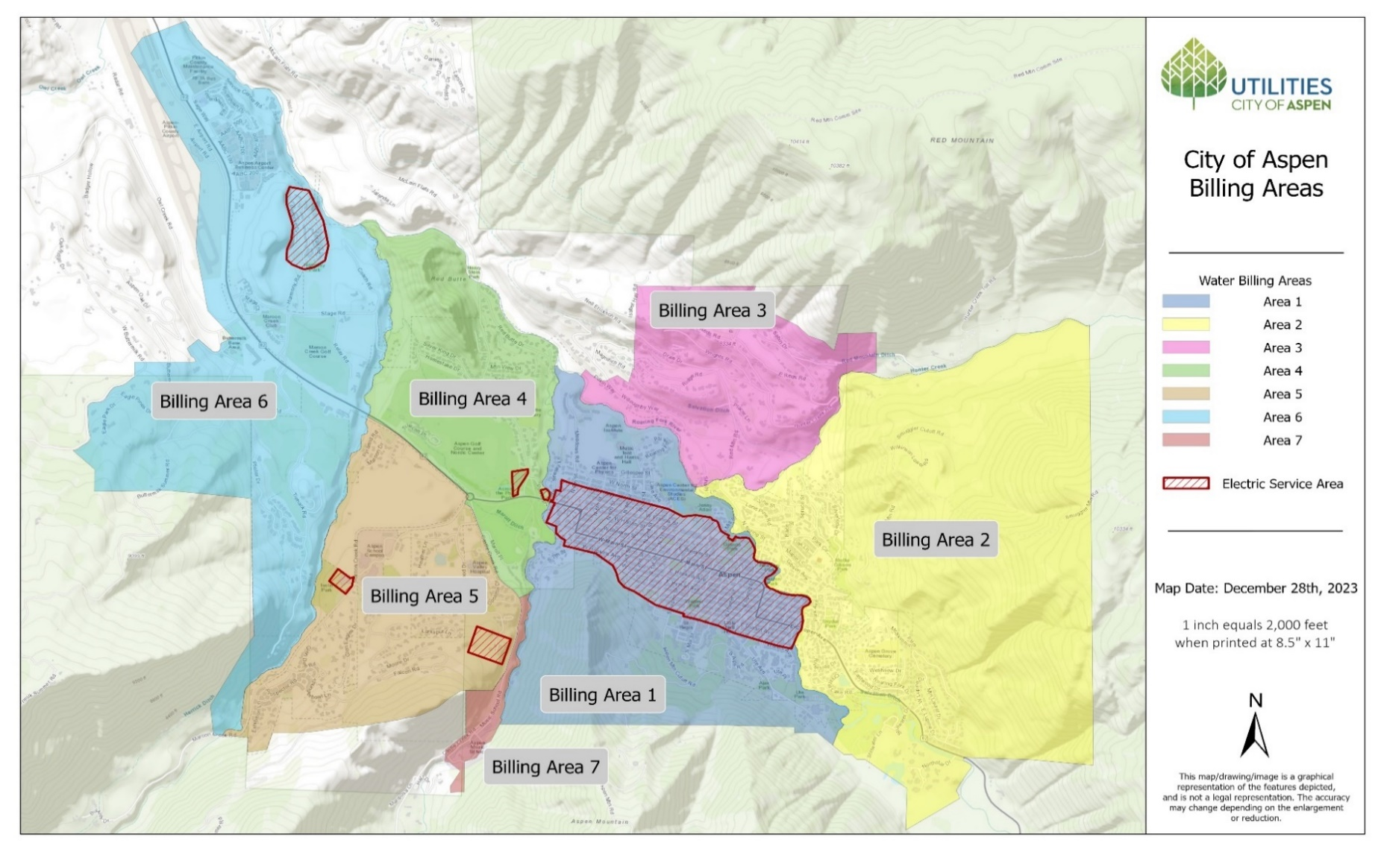
Water Fixture Description | *** Definitions & Entry Instructions *** | ECU Rate per Water Fixture | Existing Fixture Count | Total Existing ECUs | Proposed Fixture Count (include all existing fixtures) | Total Proposed ECUs | Final Fixture Count | Total Final ECU
Toilet/Urinals/Bidet | - | 0.05 |  | 0 |  | 0 |  | 0
Lavatory Sink Compartment | - | 0.02 |  | 0 |  | 0 |  | 0
Bathtubs, Shower, Combo | - | 0.05 |  | 0 |  | 0 |  | 0
Kitchen with Full Cooking Facilities | - | 0.25 |  | 0 |  | 0 |  | 0 |  |  |  |  | Type of work
Kitchen Efficiency/Kitchenette/Modest Kitchen | Food Preparation Area with Sink, Appliance for the heating and cooking of food, including Stoves, Hood Fans, Microwaves, Convection Ovens, Cook Tops, or Hot Plates | 0.15 |  | 0 |  | 0 |  | 0 |  |  |  |  | Scrape and Replace
Scullery Sink Compartment | - | 0.08 |  | 0 |  | 0 |  | 0 |  | Insubstantial |  |  | Brand New
Kitchen Sink Compartment | Includes Bar Sink and Hand Sink | 0.05 |  | 0 |  | 0 |  | 0 |  | Substantial |  |  | Interior Remodel
Beverage Station | Includes Soda System, Water Station, Coffee Urn & Espresso Machine | 0.05 |  | 0 |  | 0 |  | 0 |  |  |  |  | fire suppression drop down
Steamer Oven | - | 0.08 |  | 0 |  | 0 |  | 0 |  |  |  |  | 1 1/2"
Dishwasher | Per 1/8" Supply (Commercial) | 0.1 |  | 0 |  | 0 |  | 0 |  |  |  |  | 2"
 | Household | 0.1 |  | 0 |  | 0 |  | 0 |  |  |  |  | 4"
 | Dishwasher Drawer (Single Drawer) | 0.05 |  | 0 |  | 0 |  | 0 |  |  |  |  | 6"
Garbage Disposal | - | 0.05 |  | 0 |  | 0 |  | 0 |  |  |  |  | 8"
Glass Washer | - | 0.05 |  | 0 |  | 0 |  | 0 |  |  |  |  | NA
1/8" Supply Line Ice Machine | - | 0.05 |  | 0 |  | 0 |  | 0 |  |  |  |  | Yes
Mop/Service Sink Compartment | - | 0.05 |  | 0 |  | 0 |  | 0 |  |  |  |  | No
Washer | Per 1/8" Supply (Commercial) | 0.1 |  | 0 |  | 0 |  | 0 |  |  |  |  | Keep
 | Household | 0.1 |  | 0 |  | 0 |  | 0 |  |  |  |  | Replace/New
Noncontinuous Drinking Fountain | Per Fountain | 0.05 |  | 0 |  | 0 |  | 0
Restaurant Seat | Per Seat, Includes Indoor and Outdoor Seating (Enter Total Seats) | 0.07 |  | 0 |  | 0 |  | 0
Retail Space - Enter Total Sq. Ft. | Per 100 Sq. Ft. (Enter Total Sq. Ft.) | 0.01 |  | 0 |  | 0 |  | 0 |  | Line Size | Minimum
Office Space - Enter Total Sq. Ft. | Per 100 Sq. Ft. (Enter Total Sq. Ft.) | 0.02 |  | 0 |  | 0 |  | 0 |  |  | ECU
Commercial Recreational Facilities - per Customer | Per Maximum Capacity - Fire Code - (Enter Total Customers) | 0.04 |  | 0 |  | 0 |  | 0 |  | 3/4" | 1.0
Non Profit Recreational Facilities including School Gyms | Per Customer/Pupil based on Maximum Capacity (Enter Total Customers) | 0.02 |  | 0 |  | 0 |  | 0 |  | 1" | 2.0
Warehouse or Industrial Space - Per 1,000 Sq. Ft. | Per 1,000 Sq. Ft. (Enter Total Sq. Ft.) | 0.12 |  | 0 |  | 0 |  | 0 |  | 1 1/2" | 4.0
Theaters, Auditoriums, Convention Halls, and Assembly Places | Year-Round Seats/Rate Per 10 Seats (Enter Total Seats) | 0.08 |  | 0 |  | 0 |  | 0 |  | 2" | 8.0
 | Summer Use Seats Only/Rate Per 10 Seats (Enter Total Seats) | 0.048 |  | 0 |  | 0 |  | 0 |  | 4" | 20.0
Cafeteria | Per Seat, First 25 Seats @ 0.08 Per Seat (Enter Total Seats; Max 25 seats) | 0.03 |  | 0 |  | 0 |  | 0 |  | 6" | 30.0
 | Per Seat, After First 25 Seats @ 0.02 Per Seat (Enter # of Seats Above 25) | 0.02 |  | 0 |  | 0 |  | 0 |  | 8" | 60.0
Gas Station, Each Service or Lubrication Bay | Per Service / Lubrication Bay (Enter Total Bays) | 0.25 |  | 0 |  | 0 |  | 0 |  | Not Changing and Don't Know
Hospital, Nursing Home, Sanitarium, Detention Center | Per Bed (Enter Total Beds) | 0.5 |  | 0 |  | 0 |  | 0
Car Wash | Manual Washing Bay (Enter Total Manual Bays) | 0.95 |  | 0 |  | 0 |  | 0
 | Automatic Washing Bay (Enter Total Automatic Bays) | 1.45 |  | 0 |  | 0 |  | 0
Lodging Bedroom with No bath or Cooking Facilities | With Dormitory Style Bathrooms in Hallways | 0.45 |  | 0 |  | 0 |  | 0
Lodging Bedroom with No bath but Modest Cooking Facilities | and Dormitory Style Bathrooms in Hallways | 0.6 |  | 0 |  | 0 |  | 0
Lodging Bedroom with Full Bath but No Cooking Facilities |  | 0.55 |  | 0 |  | 0 |  | 0
Lodging Bedroom with Full Bath and Wet Bar | and Microwave and Under-The-Counter Icebox | 0.65 |  | 0 |  | 0 |  | 0
Lodging Bedroom with Full Bath and Modest Cooking Facilities | - | 0.7 |  | 0 |  | 0 |  | 0
Drip Landscaping (Indoor) | 0.001 ECU / 100 Sq. Ft. of Drip Emitters (Enter Total Sq. Ft.) | 0.001 |  | 0 |  | 0 |  | 0
Sprinkler System Landscaping (Indoor) | Spray System - 0.01 ECU / 100 Sq. Ft. (Enter Total Sq. Ft.) | 0.01 |  | 0 |  | 0 |  | 0
Recycling Water Feature (Existing ONLY) | EXISTING ONLY - NOT ALLOWED STARTING IN 2023 | 0.1 |  | 0 | NO NEW WF ALLOWED | 0 |  | 0
Pool (Indoor) | Per 1,000 Gallons - Year Round Use (Enter Total Gallons) | 0.02 |  | 0 |  | 0 |  | 0
Hot Tub/Jacuzzi (Indoor, with Jets) | Per 100 Gallons (Enter Total Gallons) | 0.02 |  | 0 |  | 0 |  | 0
Steam Room | Per Steam Room | 0.08 |  | 0 |  | 0 |  | 0
Wet Sauna | Per Wet Sauna | 0.08 |  | 0 |  | 0 |  | 0
Humidifier | Per Humidifier | 0.05 |  | 0 |  | 0 |  | 0
Industrial Process or Waste Water | Per 1,000 Gallons / Day - Non-Consumptive Use (Enter Total Gallons/Day) | 1.5 |  | 0 |  | 0 |  | 0
 | Per 1,000 Gallons / Day - Consumptive Use (Enter Total Gallons/Day) | 3.9 |  | 0 |  | 0 |  | 0
Water Softener | Commercial Grade | 0.01 |  | 0 |  | 0 |  | 0
 |  |  |  | Complete Outdoor Water Budget Worksheet for Proposed Values Below
1st Hose Bib | - | 0.2 |  | 0 |  | 0 |  | 0
2nd Hose Bib | - | 0.1 |  | 0 |  | 0 |  | 0
Additional Hose Bib | - | 0.05 |  | 0 |  | 0 |  | 0
Overhead Spray Irrigation (Outdoor, Enter Total Square Feet) | Spray System - 0.01 ECU / 100 Sq. Ft. (Enter Total Sq. Ft.) | 0.01 |  | 0 | 0 | 0 |  | 0
Bubbler Irrigation (Outdoor, Enter Total Square Feet) | Per 100 Sq. Ft. (Enter Total Sq. Ft.) | 0.005 |  | 0 | 0 | 0 |  | 0
Drip Emitter Irrigation (Outdoor, Enter Total Square Feet) | 0.001 ECU / 100 Sq. Ft. of Drip Emitters (Enter Total Sq. Ft.) | 0.001 |  | 0 | 0 | 0 |  | 0
Water Feature (Pre-existing Only) | EXISTING ONLY - NOT ALLOWED STARTING IN 2023 | 0.10 |  | 0.00 | NO NEW WF ALLOWED | 0.00 |  | 0
Hot tub/Jacuzzi/Plunge Pool (Enter Total Gallons) | Per 100 Gallons (Enter Total Gallons) | 0.02 |  | 0 | 0 | 0 |  | 0
Pool (Enter Total Gallons) | Per 1,000 Gallons (Enter Total Gallons) | 0.02 |  | 0 | 0 | 0 |  | 0
 |  |  | Total Existing Unit ECU | 0.00 | Proposed Unit ECUs | 0 | Total Final Unit ECU
 |  |  | Existing Common Acct ECU | Located on Water Bill | Proposed Account ECUs | 0.00 | Total Final Account ECU | 0.00

Utility Investment Charge Calculation Table (City Use Only) |  |  |  |  |  |  |  |  |  | Questions?
Substantial or Insubstantial Remodel |  |  |  |  | INSPECTOR NOTES: |  |  |  |  | Email cmphelp@aspen.gov
Billing Area (Second digit of Account Number)
Utility Investment Charge "Tap Fees" (per ECU)
Previous Fees Paid (Substantial Only)
Munis Account Record of ECUS
Proposed Account ECUS
Net ECUs for REVIEW UCP
Tap Fee Due

